Additional Resources
RMHS Website- Includes a Video Tutorial for Using This Invoice Template
For Providers - RMHS (rmhumanservices.org)

Service Definitions
Code of Colorado Regulations (state.co.us)
https://hcpf.colorado.gov/long-term-services-supports-benefits-services-glossary

Documentation & Compliance Resources
Documentation Matters Toolkit | CMS
Complying With Medical Record Documentation Requirements Fact Sheet | Guidance Portal (hhs.gov)
Medical Auditing Frequently Asked Questions - AAPC

Fee Schedules
Provider Rates and Fee Schedule | Colorado Department of Health Care Policy & Financing
HCBS Waivers
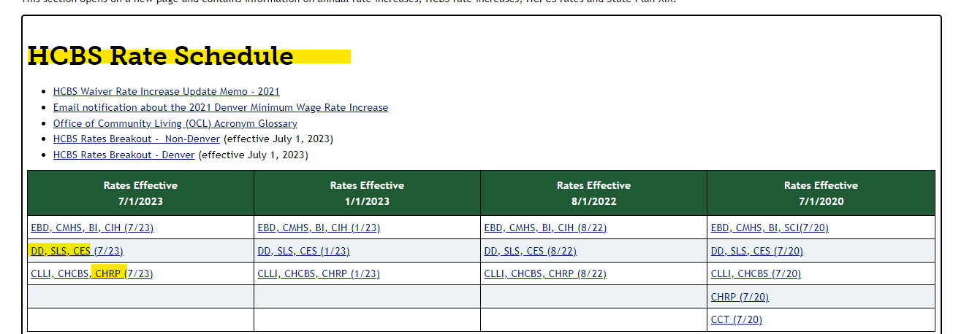

STSLS/OBRA

